Sheet1
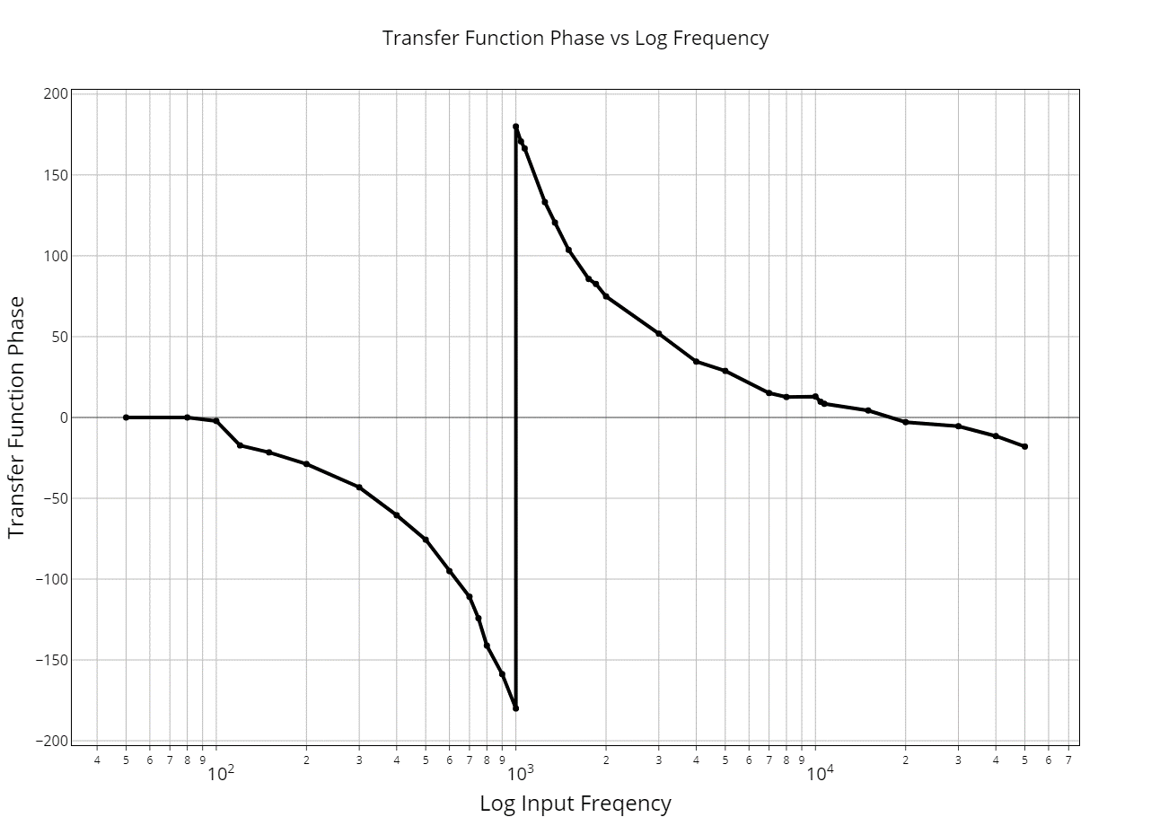
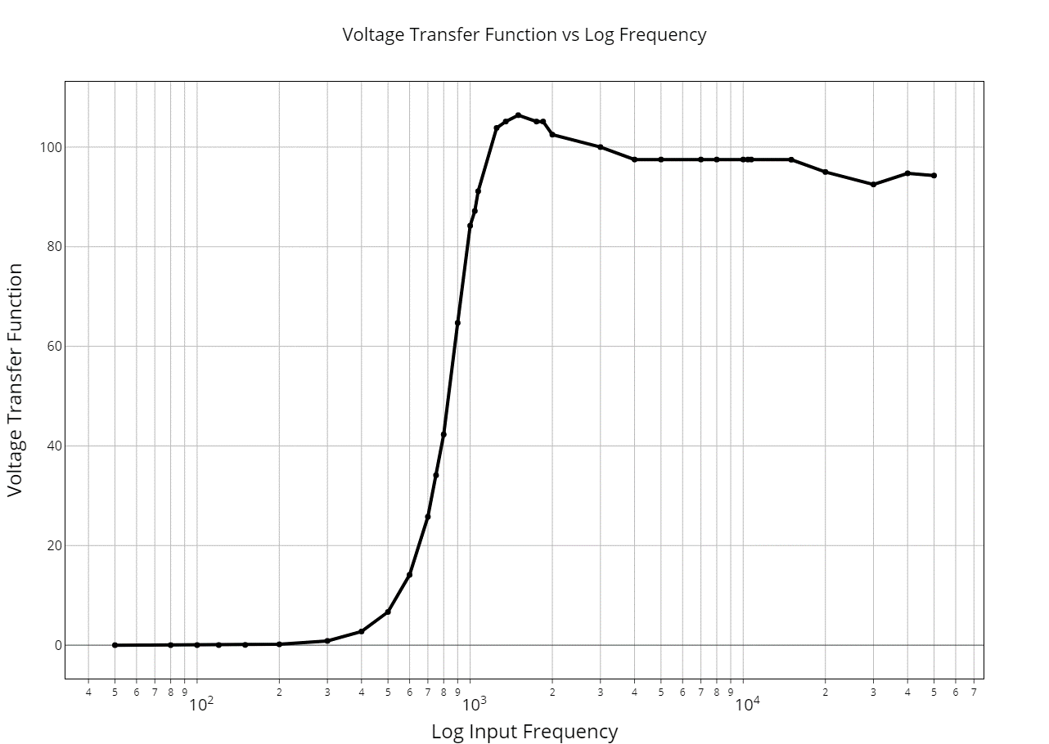
ECE2100 Lab #5 - Black Box Circuits |  |  | Page 1 of 5 | Fall 2018
Name: | Stephen Chin |  | Date of 1st Lab: | 2018-11-16
Lab Section: | 406 |  | Date Submitted: Dec. 4, 2018
Instruments: | DMM, Test resistor, Protoboard, Ocsilloscope, Function Generator
Black Boxes Tested: |  | BB-1P-11
Boxes Tested | Single: BB-1P-11 Dual: BB-2P-11
Topology | Single: Type VII
# of Grade Points | Single: 55 Dual: 55
DMM R (Port 1) | Single: 2.286 [W]
Possible Circuits
Single Port Box
Type VII | The resistance given by the DMM indicates a small resistance, characteristic of the resitance of a inductor. Because the resistor in this case is in series with a capacitor, that side would become an open circuit, leaving the DMM to read the inductor resitance.

Type II | The resistance of the resistor in parallel with the inductor given by product over sums would be cole to the resitance of the inductor. Because the DMM read a value close to the posible resitance of the inductor, this is also a possible circuit type for my box.

Common Features: Both have low equivalent resistances and are closed circuits
 | Circuit Submission
 | Single Port Box. BB-1P-11
 | Type VII
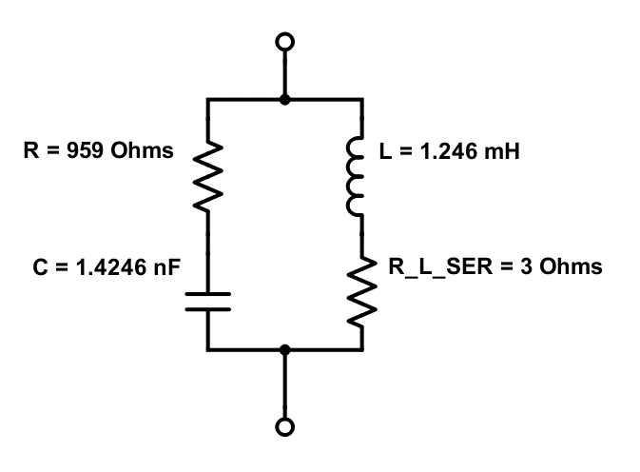

 | place circuit diagram with values

ECE2100 Lab #5 - Black Box Circuits |  |  | Page 2 of 5 | Spring 2018
Measured Data on Single Port Box
Vin(pp)= 10 V | Impedance Frequency Sweep |  |  | Rtest = 0.9994 kW
Frequency (Hz) | (vch2) vin (V) | iin (mA) | |Z| (ohms) | Phase of Z (deg)
1.00E+01 | 0.026 | 9.806 | 3 | 0.0
2.00E+01 | 0.026 | 9.806 | 3 | 0.0
4.00E+01 | 0.026 | 9.686 | 3 | 4.3
8.00E+01 | 0.026 | 9.686 | 3 | 13.8
1.00E+02 | 0.027 | 9.686 | 3 | 15.8
2.00E+02 | 0.030 | 9.686 | 3 | 30.2
4.00E+02 | 0.041 | 9.686 | 4 | 53.3
8.00E+02 | 0.065 | 9.686 | 7 | 69.1
1.00E+03 | 0.079 | 9.686 | 8 | 75.6
2.00E+03 | 0.152 | 9.686 | 16 | 85.0
4.00E+03 | 0.294 | 9.766 | 30 | 82.1
8.00E+03 | 0.584 | 9.806 | 60 | 82.9
1.00E+04 | 0.720 | 9.806 | 73 | 80.6
2.00E+04 | 1.400 | 9.406 | 149 | 77.8
4.00E+04 | 2.560 | 9.005 | 284 | 76.3
8.00E+04 | 3.760 | 7.404 | 508 | 59.9
1.00E+05 | 4.000 | 7.004 | 571 | 53.3
2.00E+05 | 4.640 | 5.603 | 828 | 34.6
5.00E+05 | 4.800 | 5.003 | 959 | 10.1
7.50E+05 | 4.760 | 4.963 | 959 | 3.2
ECE2100 Lab #5 - Black Box Circuits |  |  | Page 2 of 3 | Spring 2018
Single Port Box:Magnitude & Phase Bode Plots
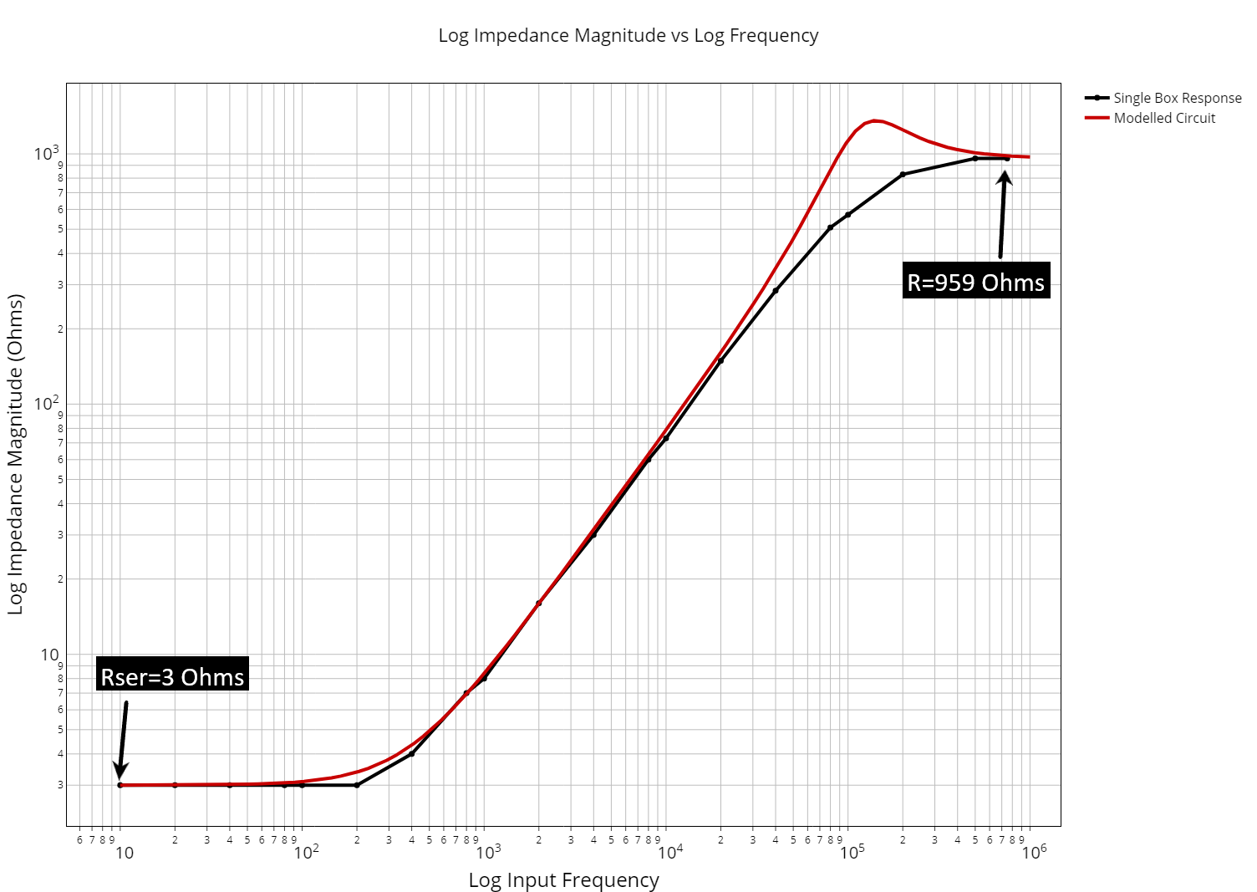

Model Params
$$R=959Ω$$
$$R_{L}^{ser}=3Ω$$
$f_{B}^{L}=383.198$Hz
$C=1.4246$nF

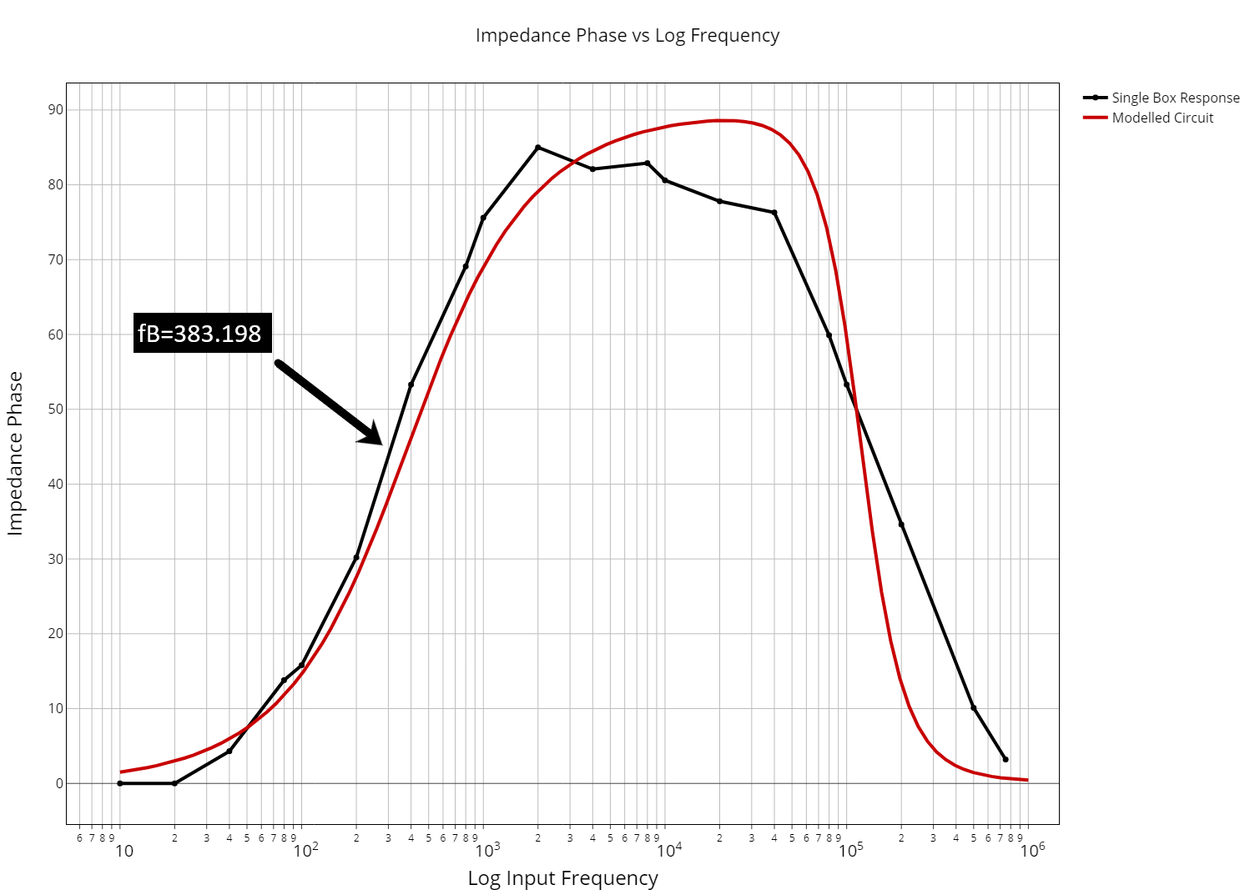

ECE2100 Lab #5 - Black Box Circuits |  |  | Page 4 of 5 | Spring 2018
Single Port Box: Circuit Type Determination
Range of Phase (Z) |  | 0-85, at a resonant freq, resitance is at min, reactance at max
Phase at Low Frequency (Z) |  | 85, implying inductive impedence due to positive phase
Phase at High Frequency (Z) |  | 3, implying resistive impedence
Seeing as the phase (degrees) at low frequency is near 90 and the phase at high frequency approaches 0, we can be clear that the circuit is type VII, because the other option, the type II circuit, has a high freqency limit of -90.

Single Port Box: Impedance Equation
$$Z=\frac{R\left[{\left(R_{L}^{ser}\right)}^{2}+{\left(ωL\right)}^{2}\right]+R_{L}^{ser}\left[R^{2}+\frac{1}{{(ωL)}^{2}}\right]}{{\left(R+R_{L}^{ser}\right)}^{2}+{(ωL−\frac{1}{ωC})}^{2}}−j\left[\frac{ωR^{2}L−\frac{{\left(R_{L}^{ser}\right)}^{2}}{ωC}−\frac{L}{C}\left(ωL−\frac{1}{ωC}\right)}{{\left(R+R_{L}^{ser}\right)}^{2}+{(ωL−\frac{1}{ωC})}^{2}}\right]$$

Single Port Box: Component Value Determination
RLser was determined by taking the impedence of the single box at extremely low frequency, when the phase was at 0. From that, the inductance was found using the formula in the bode plots in lecture notes 6. The break frequency was found using inductance and series resistance. The resistor value can be found with the inductance value at high frequency. From there C was estimated using the 45 degree phase point.

Single Port Box: Component Value Calculations
$R=959Ω$ from measured data
$R_{L}^{ser}=3Ω$ from measured data
$R_{L}^{ser}=0.411+2.08\left(L\right)−0.0018{\left(L\right)}^{2}$ so $L=1.246mH$
$f_{B}^{L}=\frac{R_{L}^{ser}}{2πL}=383.198$Hz

$C≈\frac{1}{R\left[\frac{R}{L}−2πf_{B}\right]}=1.4246$nF

General Comments
Comment on Phase Measurements.
In general, the phase measurements were as expected for the box. I expected a smoother curve as the phase approached 90, but this may have been due to the small number of measured data points. After the inductor break freqency was passed, the phase rose to near 90, then dropped back down to 0, as expected.

Comments on Model Predictions.
There are some problems with this model, that I have found to be dependent on my value for the capactance. If the capcitance was higher, such as in the microfarad scale rather than the nanofarad scale, both the phase and magnitude plots would fit together almost perfectly. I attribute this offset to my value for fB as the value was eyeballed from the chart, and was a large amount of impact on the estimated value for capacitance. To fit the measured data nicer, I believe that a 1.4246μF capactiance would fit better, but I was not able to reach this in my measurements.

Equation Derivations
Impedance of Single Port Box: (R + C)||(L + R_L)

$$Z=\left(R+\frac{1}{jωC}\right)||\left(R_{L}^{ser}+jωL\right)=\frac{RR_{L}^{ser}+\frac{L}{C}+j\left(ωRL−\frac{R_{L}^{ser}}{ωC}\right)}{R+R_{L}^{ser}+j\left(ωL−\frac{1}{ωC}\right)}$$
$$Z=\frac{R\left[{\left(R_{L}^{ser}\right)}^{2}+{\left(ωL\right)}^{2}\right]+R_{L}^{ser}\left[R^{2}+\frac{1}{{(ωL)}^{2}}\right]}{{\left(R+R_{L}^{ser}\right)}^{2}+{(ωL−\frac{1}{ωC})}^{2}}−j\left[\frac{ωR^{2}L−\frac{{\left(R_{L}^{ser}\right)}^{2}}{ωC}−\frac{L}{C}\left(ωL−\frac{1}{ωC}\right)}{{\left(R+R_{L}^{ser}\right)}^{2}+{(ωL−\frac{1}{ωC})}^{2}}\right]$$

ECE2100 Lab #5 - Black Box Circuits |  |  | Page 5 of 5 | Spring 2018
 | Circuit Submission
 | Dual Port Box. BB-1P-11
 | 4th Order Butterworth Filter
 | Prototype:
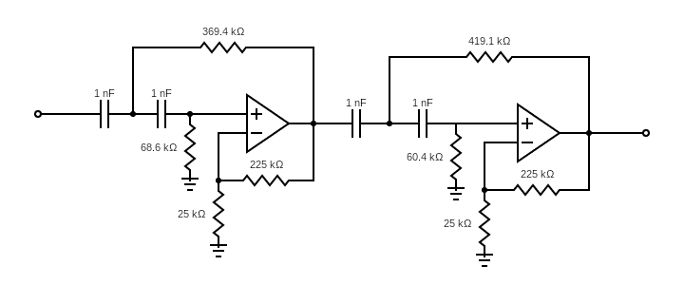

 | Measured:


Dual Port Box: Voltage Transfer Function Equation
$$H_{v}\left(jω\right)=\frac{R_{3}+R_{4}}{R_{3}}\left[\frac{{−ω}^{2}}{{−ω}^{2}+jω\frac{2}{R_{eq}C}+\frac{1}{R_{1}R_{2}C^{2}}}\right]$$

